Sheet1
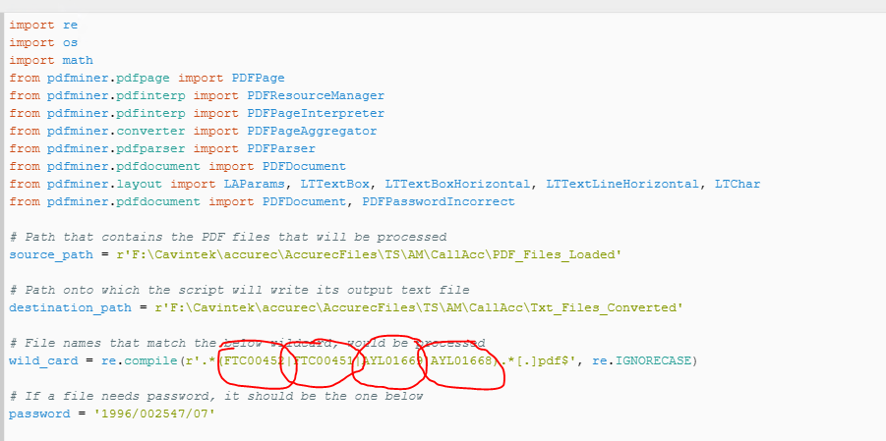

looks for the PDF files as per the source path location

Finds/identify the PDF file/s based on the wild card name/s within the PDF file/s name

if it finds any of these in the PDF file name it knows do use this password to open the file

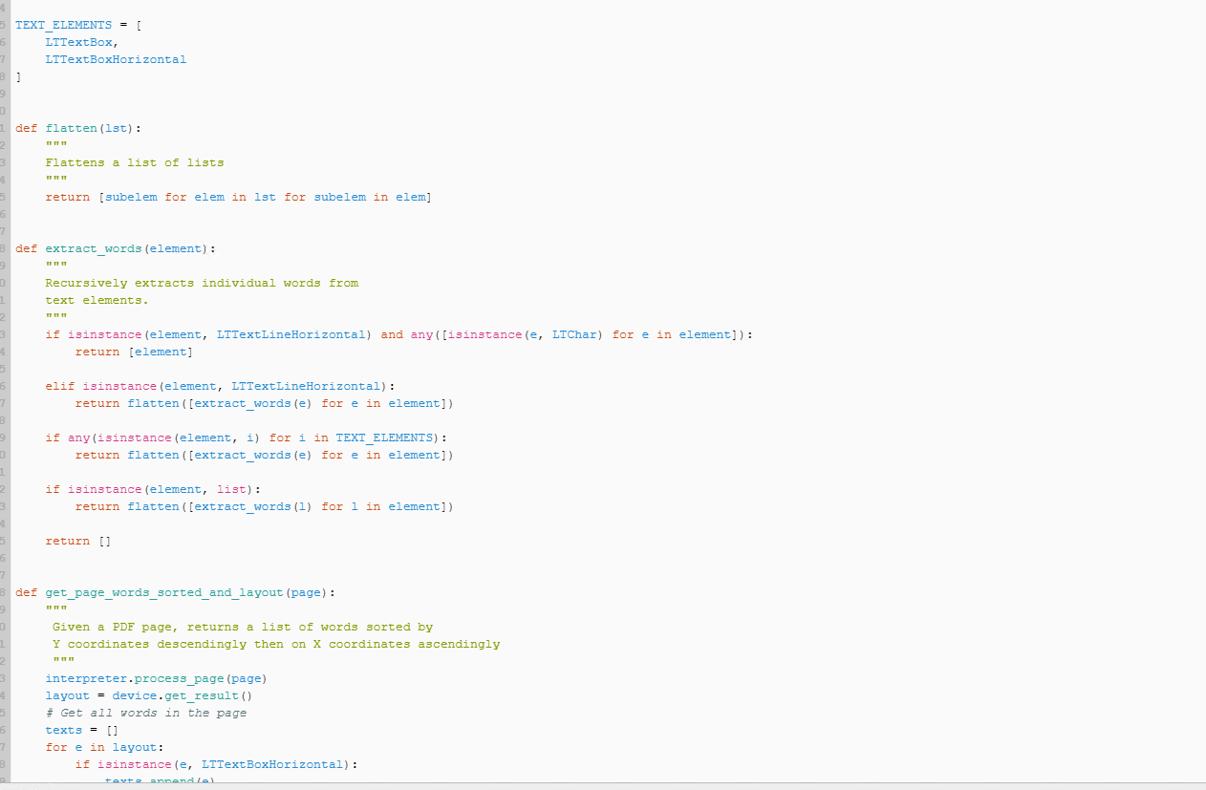
extracts all the data from the PDF file/s

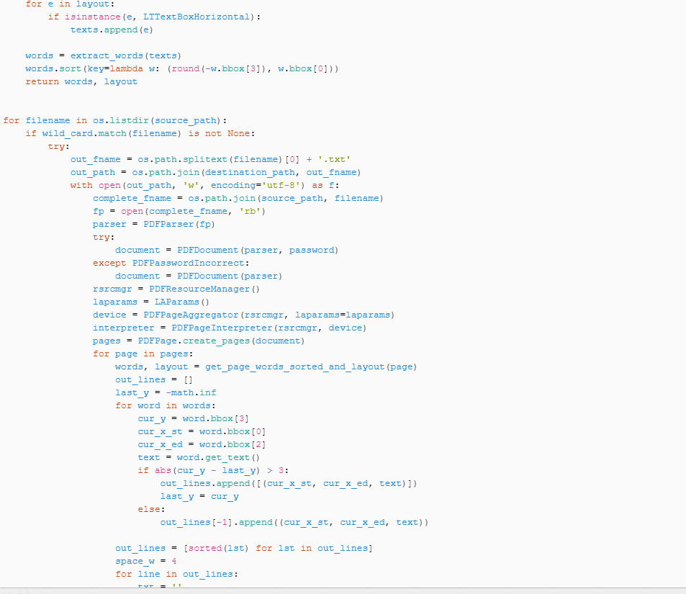

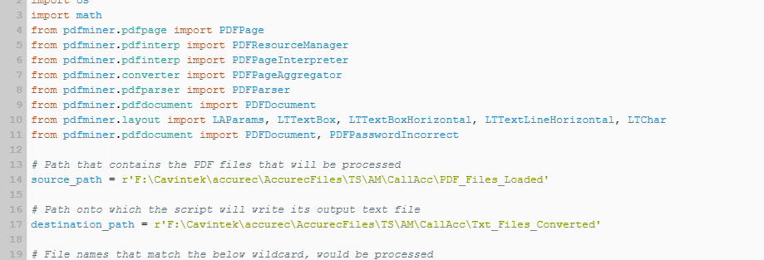

save txt file output file with the same name as the pdf file name in the location as per the destination_path

